Sheet1
What's the difference in employability scores between graduates with and without jobs?
Confidence Intervals for Independent Samples

 |  | Dynamic Excel Formulas |  |  | Legacy Excel Formulas |  | Legacy Excel Formulas |  | Legacy Excel Formulas
Status | Employability (After) | SAMPLE DATA |  |  | POINT ESTIMATE |  | MARGIN OF ERROR |  | CONFIDENCE INTERVAL
Placed | 276 |  | Placed | Not Placed | x̄1-x̄2: | 71 | Confidence Level: | 90% | Lower Limit: | 101
Not Placed | 410 | Sample Size (n): | 53 | 42 |  |  | Alpha: | 10% | Upper Limit: | 41
Placed | 119 | n-1: | 52 | 41 |  |  | Alpha/2: | 0.05
Not Placed | 334 | Mean (x̄): | 321 | 250 |  |  | Degrees of Freedom: | 87.46
Not Placed | 252 | Variance (s2): | 7,480 | 7,723 |  |  | Critical Value (T): | -1.663
Not Placed | 209 | s2/n: | 141.128 | 183.878 |  |  | Standard Error: | 18.03
Placed | 462 |  |  |  |  |  | Margin of Error: | -29.97
Placed | 342
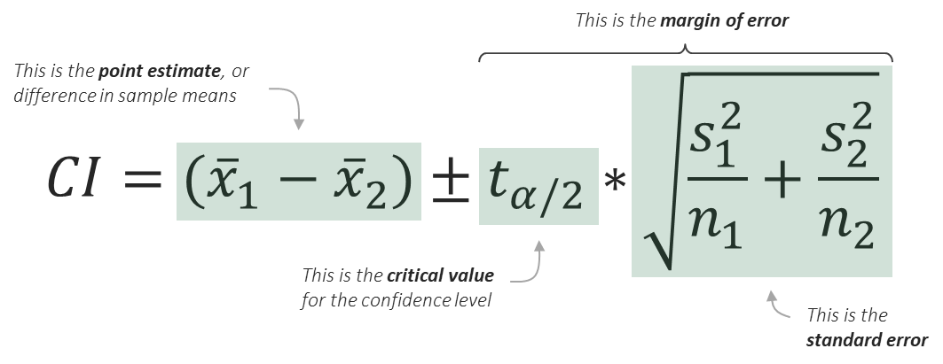
Placed | 347
Placed | 313
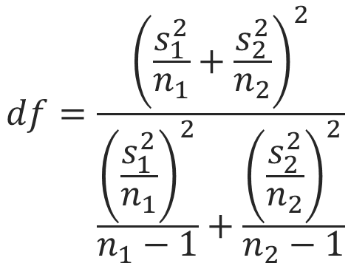
Not Placed | 232
Placed | 163
Not Placed | 119
Placed | 304
Placed | 211
Placed | 286
Not Placed | 122
Placed | 443
Not Placed | 366
Not Placed | 244
Not Placed | 241
Placed | 237
Not Placed | 122
Not Placed | 129
Placed | 236
Placed | 251
Placed | 283
Not Placed | 225
Not Placed | 102
Placed | 180
Not Placed | 247
Not Placed | 343
Not Placed | 283
Placed | 253
Not Placed | 263
Placed | 291
Placed | 368
Not Placed | 206
Not Placed | 231
Not Placed | 389
Placed | 396
Placed | 339
Placed | 286
Not Placed | 146
Placed | 315
Not Placed | 183
Placed | 481
Not Placed | 349
Placed | 225
Placed | 217
Placed | 353
Not Placed | 314
Placed | 247
Placed | 410
Placed | 395
Placed | 416
Placed | 342
Placed | 446
Placed | 477
Placed | 444
Placed | 351
Not Placed | 165
Placed | 317
Placed | 250
Not Placed | 217
Not Placed | 138
Placed | 302
Not Placed | 311
Placed | 373
Not Placed | 196
Placed | 306
Not Placed | 302
Not Placed | 278
Not Placed | 429
Placed | 338
Not Placed | 261
Not Placed | 256
Placed | 183
Placed | 274
Not Placed | 182
Not Placed | 183
Placed | 309
Not Placed | 178
Placed | 458
Placed | 234
Placed | 306
Placed | 400
Not Placed | 337
Placed | 325
Not Placed | 329
Placed | 369
Placed | 457
Not Placed | 421
Placed | 282
Not Placed | 256

